ADBtable
AVERAGE DAILY BALANCE COMPUTATION

DAYS | WITHDRAWAL | DEPOSIT | BALANCE
1 |  | - | 510,161.75
2 | - |  | 510,161.75
3 |  |  | 510,161.75 | AVERAGE | 510,161.75
4 |  | - | 510,161.75 | Interest Rate | 1.00%
5 |  |  | 510,161.75 | Days in a Month | 30
6 |  |  | 510,161.75 | Days in a Year | 360
7 |  | - | 510,161.75
8 |  | - | 510,161.75 | Interest (Expense Control) | 425.13
9 |  | - | 510,161.75 | Withholding Tax Payable | 85.03
10 |  |  | 510,161.75
11 |  | - | 510,161.75 | ONE Savings Deposit | 340.11
12 |  |  | 510,161.75
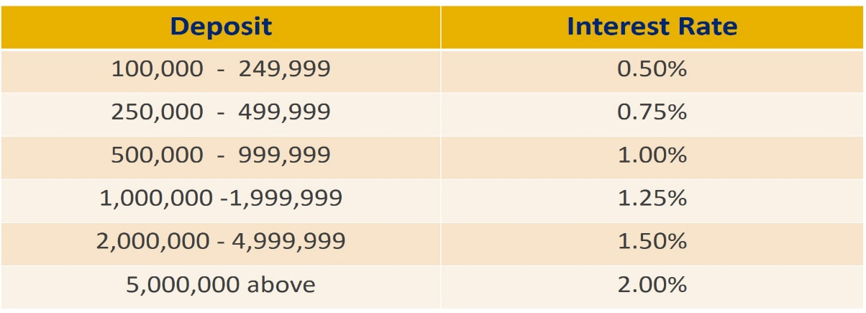
13 |  |  | 510,161.75
14 |  |  | 510,161.75
15 |  |  | 510,161.75
16 |  |  | 510,161.75
17 |  |  | 510,161.75
18 |  |  | 510,161.75
19 |  |  | 510,161.75
20 |  |  | 510,161.75
21 |  |  | 510,161.75
22 |  |  | 510,161.75
23 |  |  | 510,161.75
24 | - |  | 510,161.75
25 |  |  | 510,161.75
26 | - |  | 510,161.75
27 | - |  | 510,161.75
28 | - |  | 510,161.75
29 |  |  | 510,161.75
30 |  |  | 510,161.75

TOTAL

